Лист1
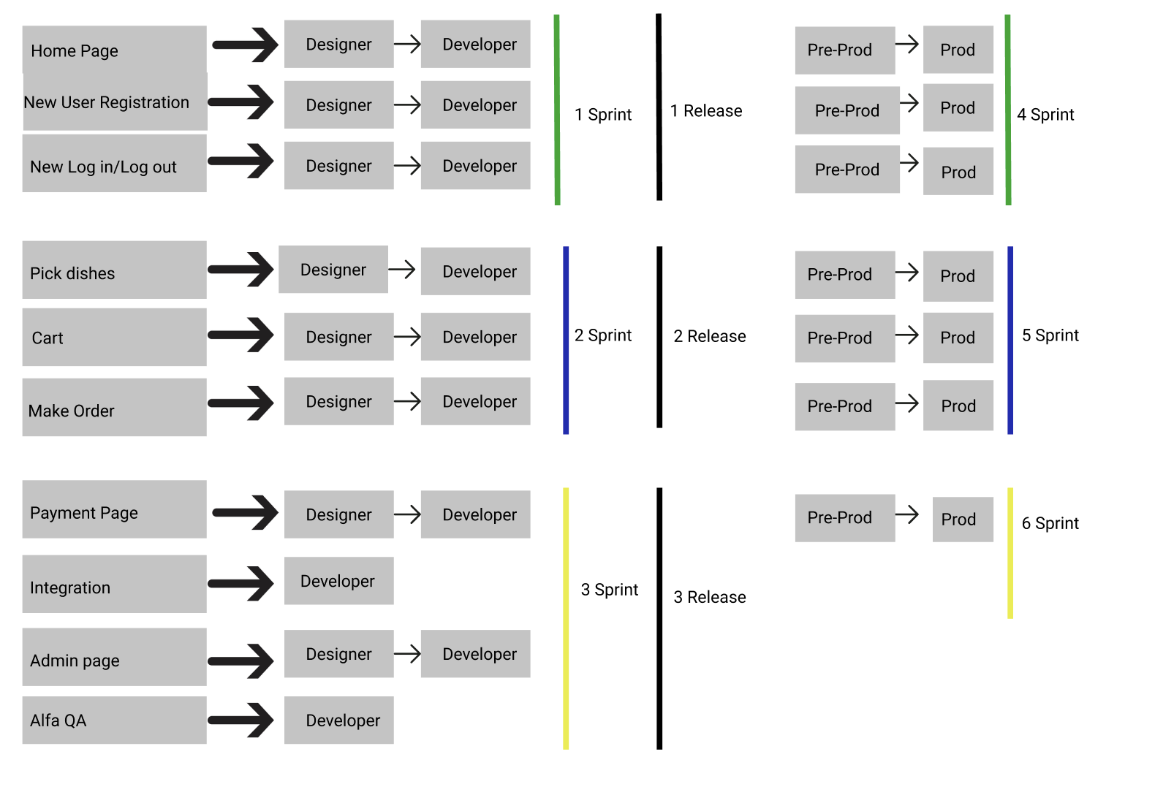
Release Goals: | Description
First Release After User able to Register, Log in/Log out, Home page | 1 Sprint
Second Release after User able to pick dishes, add to cart, make order | 2 Sprint
Third Release after User able to make a payment, Admin page, the delivery pages integrated with main restaurant web site and successful Alfa QA off all Released pages and services | 3 Sprint

Release Goals:
Fourth Release after registration, Log in/Log out, Home page pre-prod | 4 Sprint
Fifth Release after picking dishes, adding to cart, making order pages pre-prod | 5 Sprint
Sixth Release after User is able to make a payment, delivery pages succesully integrated with main restaurant web site and successful Alfa QA | 6 Sprint

